latency
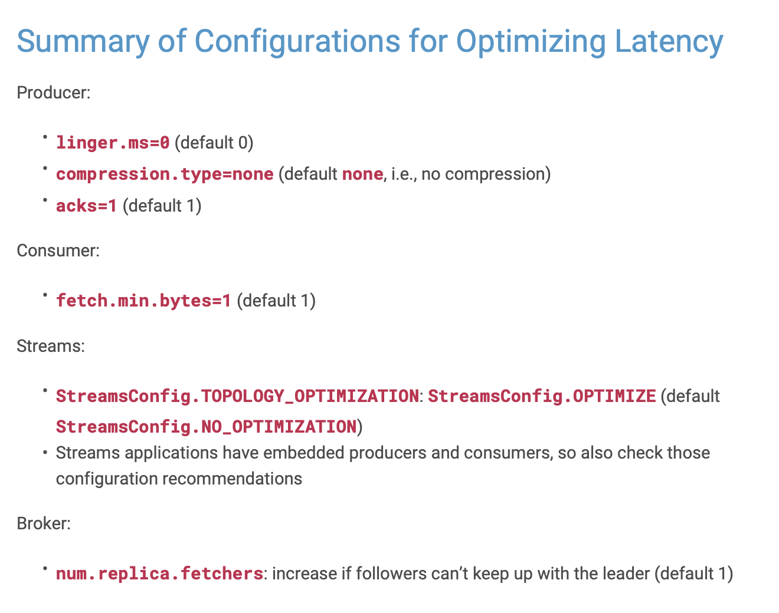
Latency
checked | property source | property name | default | configured | recommended | delta / action

 | Producer | linger.ms | 0 | - | 0 | -
 | Producer | compression.type | none | - | none | -
 | Producer | acks | 1 | - | 1 | -

 | Consumer | fetch.min.bytes | 1 | - | 1 | -

 | Streams | StreamsConfig.TOPOLOGY_OPTIMIZATION | StreamsConfig.NO_OPTIMIZATION | - | OPTIMIZE | -

 | Brokers | num.replica.fetchers | 1 | - | increase if followers can't keep up with leader | -

throughput
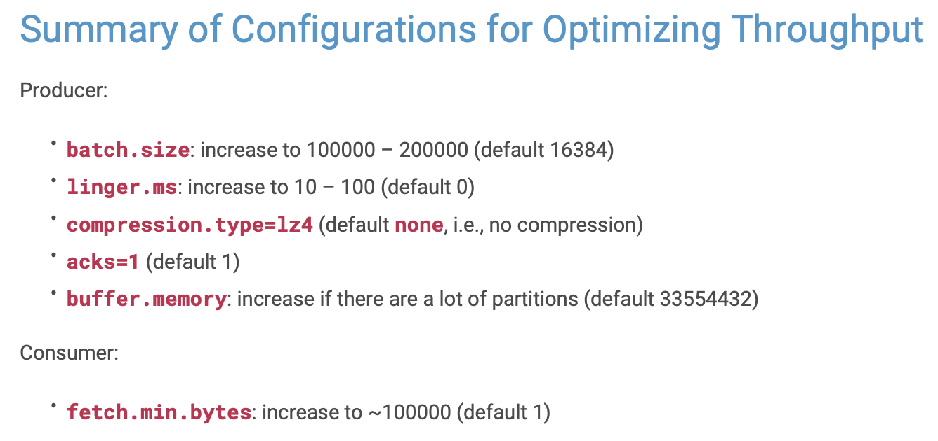
Throughput
checked | property source | property name | default | configured | recommended | delta / action

 | Producer | linger.ms | 0 | - | 100 | -
 | Producer | compression.type | no compression | - | lz4 | -
 | Producer | acks | 1 | - | 1 | -
 | Producer | batch.size | 16384 | - | 200000 | -
 | Producer | buffer.memory | 33554432 | - | inncrease in case many partitions are used | -

 | Consumer | fetch.min.bytes | 1 | - | 100000 | -

durability
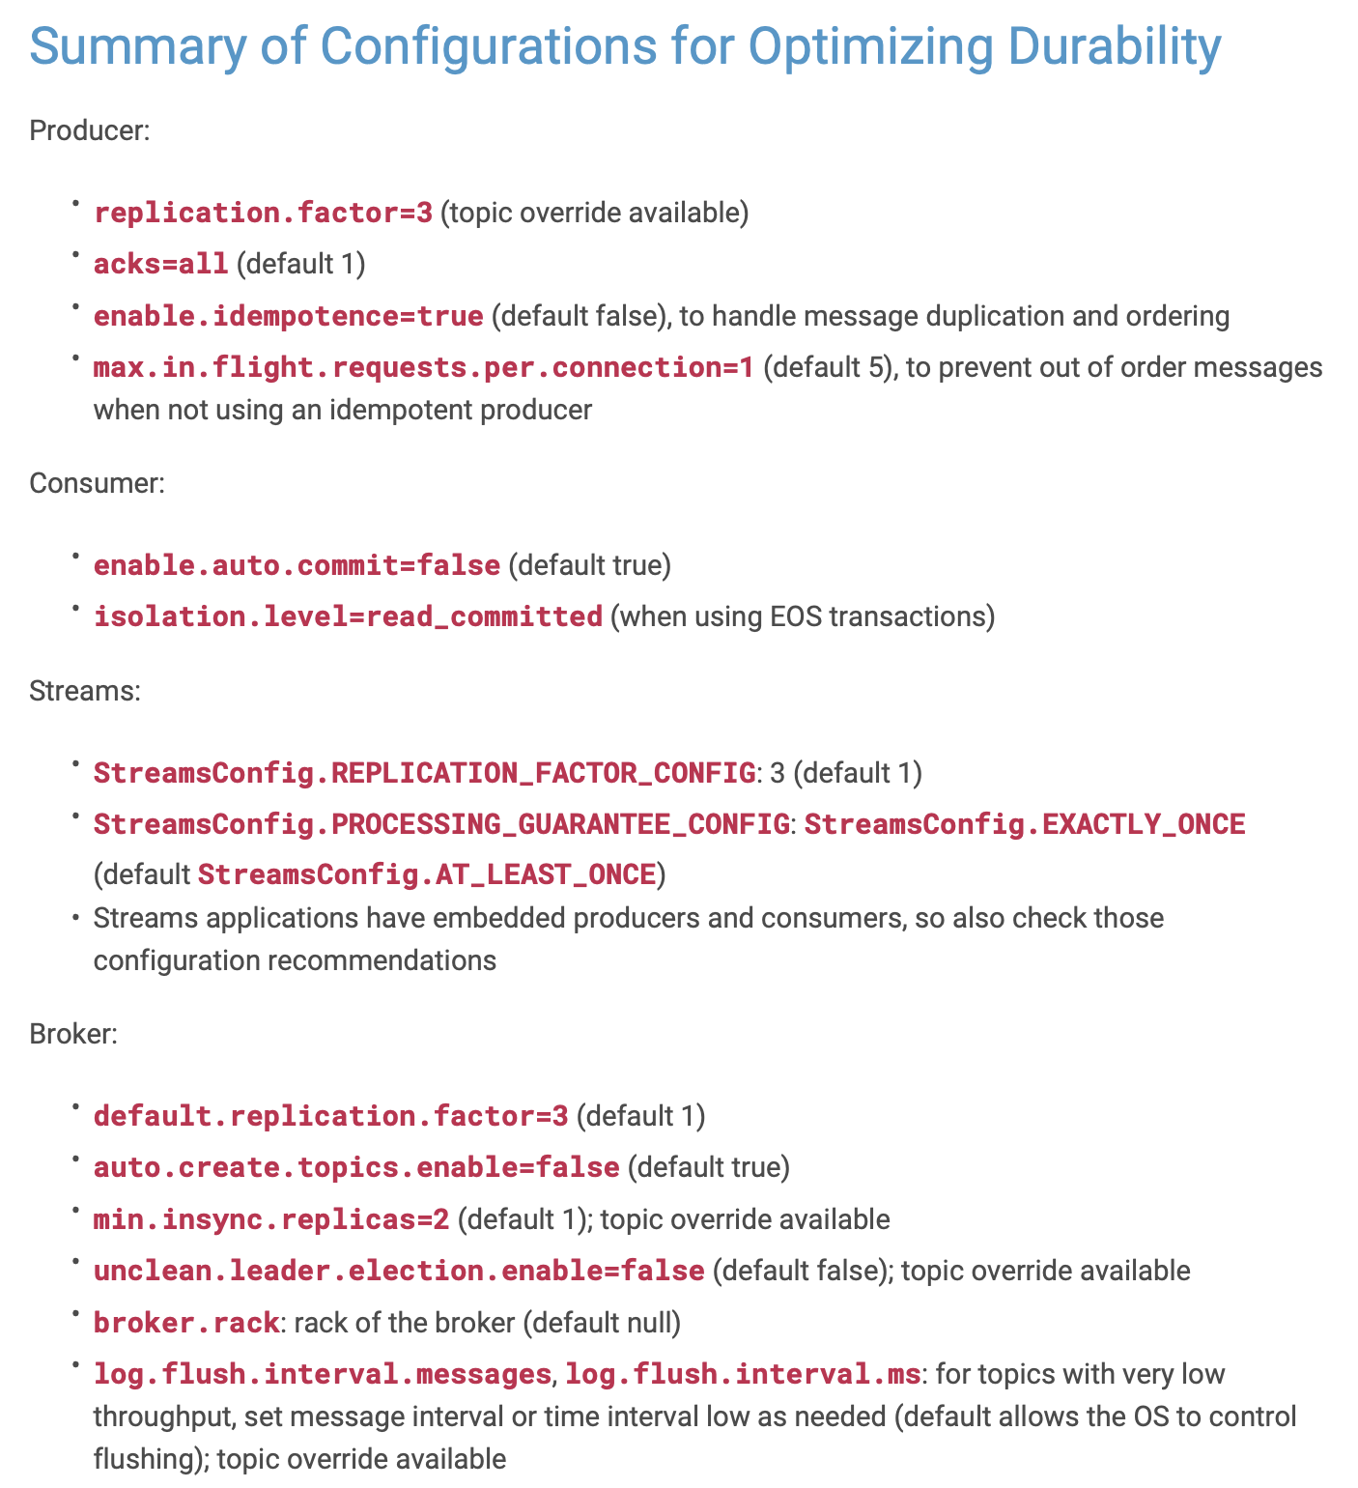
Durability
checked | property source | property name | default | configured | recommended | delta / action

 | Producer | acks | 1 | - | all | -

 | Producer | default.replication.factor | 3 | - | 3 | -
 | Producer | enable.idempotence | FALSE | - | TRUE | -
 | Producer | max.in.flight.requests.per.connection | 5 | - | 1 | -

 | Consumer | enable.auto.commit | TRUE | - | FALSE | -
 | Consumer | isolation.level | read_uncommitted | - | read_committed (for EOS) | -

 | Streams | StreamsConfig.REPLICATION_FACTOR_CONFIG | 1 | - | 3 | -
 | Streams | StreamsConfig.PROCESSING_GUARANTEE_CONFIG | StreamsConfig.AT_LEAST_ONCE | - | EXCATLY_ONCE (for EOS) | -
 | Streams | replication.factor | 1 | - | 3 | -

 | Brokers | default.replication.factor | 1 | - | 1 | -
 | Brokers | min.insync.replicas | 1 | - | 2 | -
 | Brokers | auto.create.topics.enable | TRUE | - | FALSE | -
 | Brokers | unclean.leader.election.enable | FALSE | - | FALSE | -
 | Brokers | broker.rack | null | - | rack of broker | -
 | Brokers | log.flush.interval.messages | OS-responsibility | - | low | -
 | Brokers | log.flush.interval.ms | OS-responsibility | - | low | -

availability
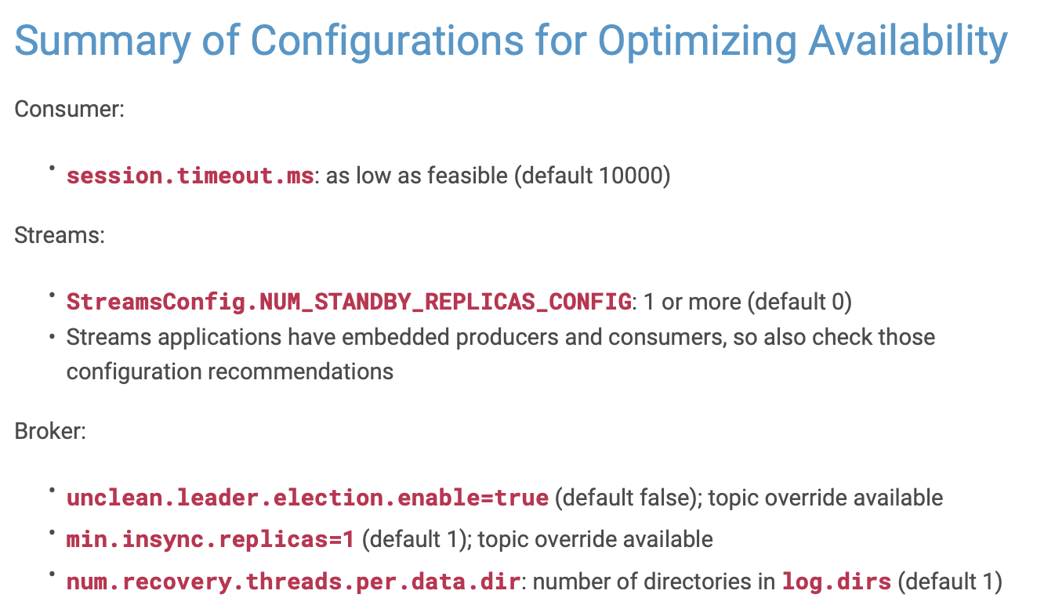
Durability
checked | property source | property name | default | configured | recommended | delta / action

 | Consumer | sessionn.timeout.ms | 10000 | - | low | -

 | Streams | StreamsConfig.NUM_STANDBY_REPLICAS_CONNFIG | 0 | - | 1 or more | -
 | Streams | replication.factor | 1 | - | 3 | -

 | Brokers | min.insync.replicas | 1 | - | 1 | -
 | Brokers | unclean.leader.election.enable | FALSE | - | TRUE | -
 | Brokers | num.recovery.threads.per.data.dir | 1 | - | z of dirs in log.dir | -

